Running the Exec Review Report
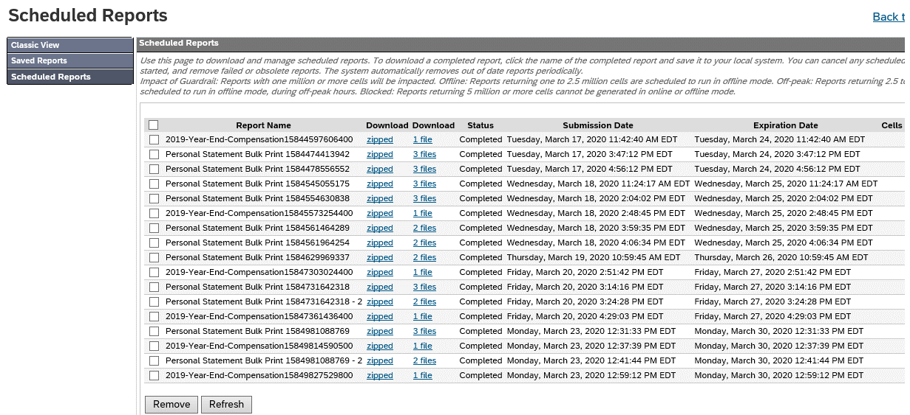
Validating Compensation Statements

Make any data changes needed before launching statements
If statements already launched and new data changes come in, recall the old and launch new statements

Proxy in a "Compensation Administrator"
(our regular access does NOT allow us to see the Receive_Comp_Stmt field)
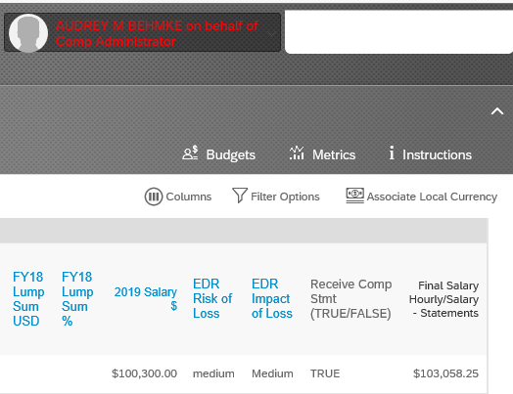

Go to Compensation
Click the Executive Review link (see yellow rectangle)

Select the proper form template (was 2019 Year-End Compensation in March 2020)
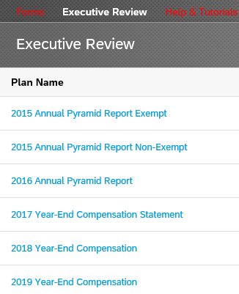

When you're in the form, click the filter options to make sure you will get everyone.

Set 'Define Population' to "Other" and make sure the other filters have 'all' or every option is selected
Click 'Apply Filter'
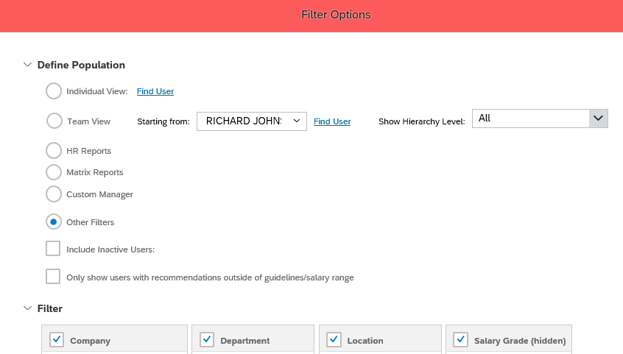

The number of people pulled into the report is here:

Click the Export button at the bottom right of the page.

Then click the red Export button at the bottom of this page after choosing Excel or CSV.
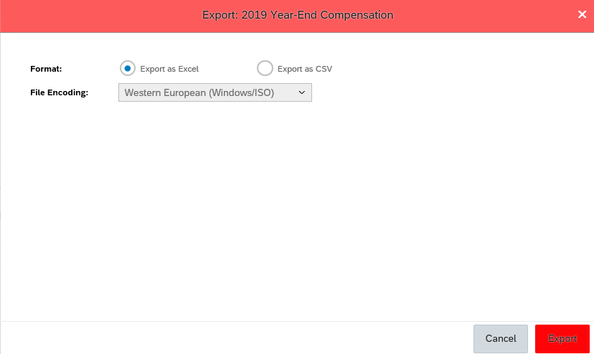

Since the full file is too big, go to Reporting and switch to the Classic view

Select Scheduled Reports from this menu on the left:
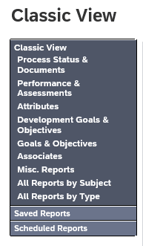

Click the link in the Download file column

Getting list of Generated Stmts
Go to Compensation Home and click on the correct plan template.
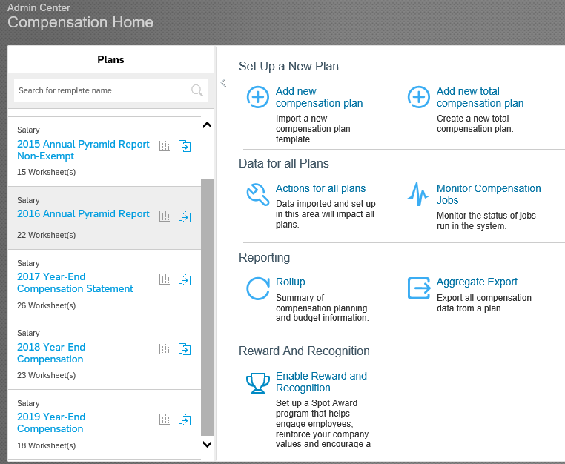

Click on the 'Complete Compensation Cycle' tab, then go to 'Rewards Statements' and 'Manage Statement Templates'
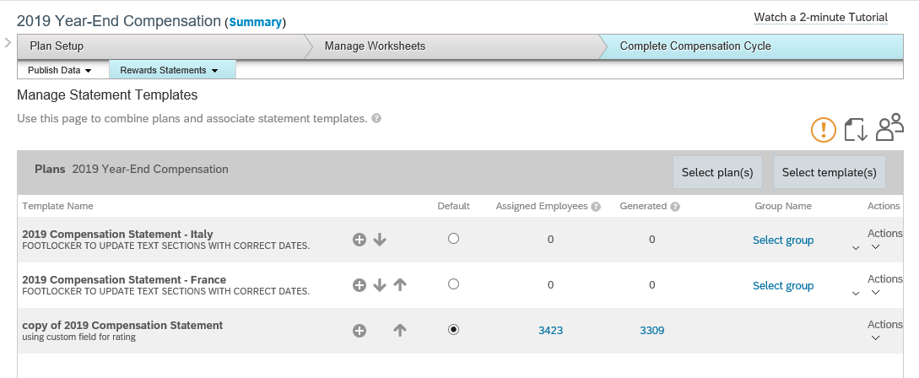

Click the Actions drop down list on the right for each plan and select
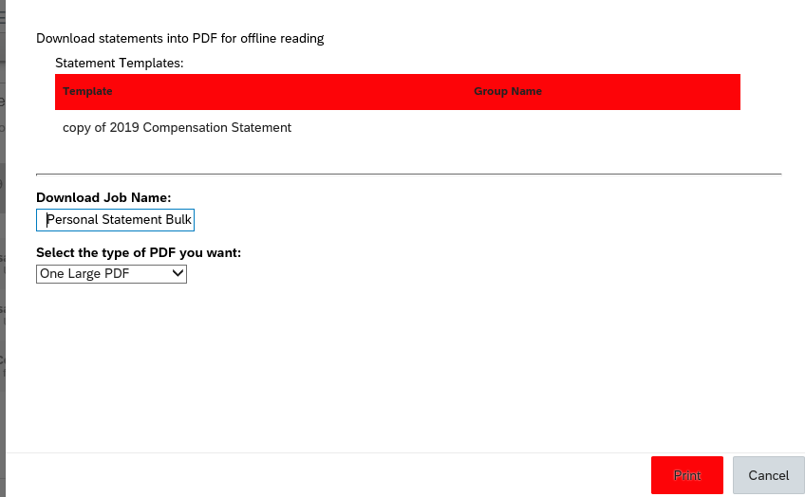

Click the 'Check print job status' link to see when your files are ready. Repeat for all the statements you want.

On this page, click the file download link. It'll show a pdf file with the actual statements, but also a textfile with the Employee IDs of the people who had a statement generated. (called printed_useers.txt) Click on the text file. Copy the IDs from Notepad into your Excel Exec Review report and compare the Employee Ids. Research anyone on the Exec Review report who is not on the Statement list.

Note: SF may break your file into two. Combine the reults from printed_users.txt from both reports.
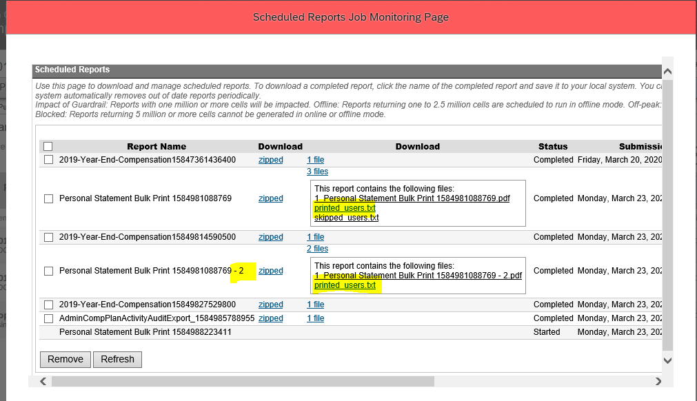

Pick the file called "printed.txt"

